Conditional Logic
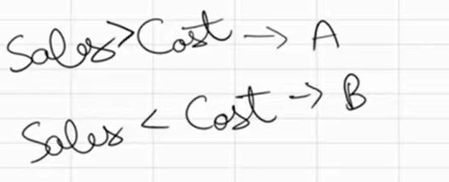
Sales | Cost |  | if error
200 | 150 | A | 1.3333333333
0 | 100 | B | 0
300 | 250 | A | 1.2
0 | 0 | B | Check your data

